Sheet1
List Part Kebutuhan Heijunka Post Lamp

No | Item | Deskripsi | Kebutuhan | Harga | Total harga | Link
1 | Box Panel Plastik 150x200 x 130 mm + Base Plate Durabox Junction | 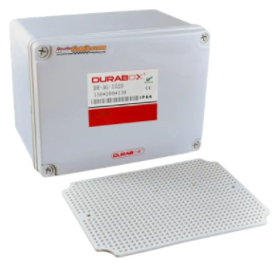 | 1 | Rp120,000 | Rp120,000 | https://www.tokopedia.com/indolistrik/box-panel-plastik-150x200-x-130-mm-base-plate-durabox-junction-murah
2 | Terminal Block / blok Kabel UK 3N Abu-abu TAB (model Weidmuller) | 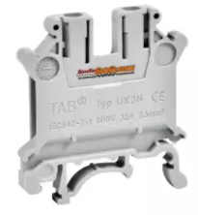 | 10 | Rp2,275 | Rp22,750 | https://www.tokopedia.com/indolistrik/terminal-block-blok-kabel-uk-3n-abu-abu-tab-model-weidmuller
3 | Stopper TAB tipe E/UK untuk terminal block / blok UK | 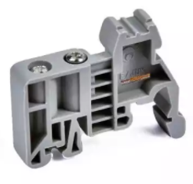 | 4 | Rp2,275 | Rp9,100 | https://www.tokopedia.com/indolistrik/stopper-tab-tipe-euk-untuk-terminal-block-blok-uk
4 | DIN Rail | 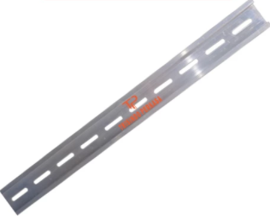 | 1 | Rp11,000 | Rp11,000 | https://www.tokopedia.com/trisindoperkasa/rel-mcb-alumunium-1-fungsi-din-rail-mcb
5 | Arduino Uno | 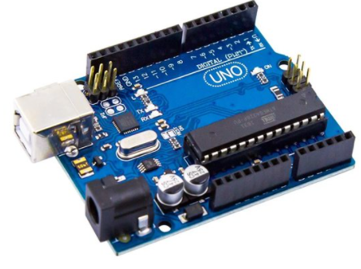 | 1 | Rp119,000 | Rp119,000 | https://www.tokopedia.com/cncstorebandung/arduino-uno-r3-atmega328p-atmega-16u2-compatible-board-usb-cable
6 | Real Time Clock DS3231 with battery RTC module | 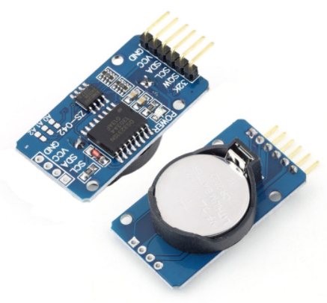 | 1 | Rp36,800 | Rp36,800 | https://www.tokopedia.com/cncstorebandung/rtc-ds3231-seri-sn-real-time-clock-i2c-battery-module
7 | TM1637 DISPLAY MODULE | 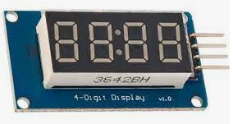 | 1 | Rp10,400 | Rp10,400 | https://www.tokopedia.com/cncstorebandung/cnc-tm1637-display-module-for-arduino-7-segment-0-36inch-clock-red
8 | ADAPTOR 12V 3A | 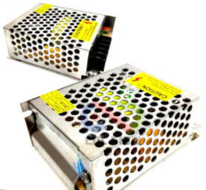 | 1 | Rp38,000 | Rp38,000 | https://www.tokopedia.com/cncstorebandung/adaptor-12v-3a-power-supply-switching-jaring-cctv-led-12-v-3-a-ampere
9 | JUMPER CABLE KABEL 10CM MALE TO MALE | 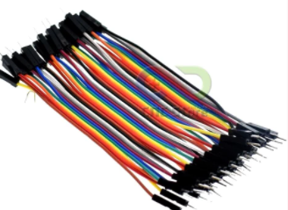 | 1 | Rp11,000 | Rp11,000 | https://www.tokopedia.com/cncstorebandung/cnc-40pcs-jumper-cable-kabel-10cm-male-to-male-dupont
10 | JUMPER CABLE KABEL 10CM MALE TO FEMALE | 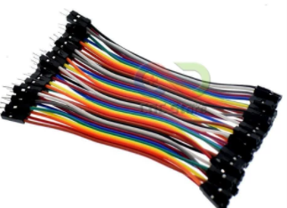 | 1 | Rp11,000 | Rp11,000 | https://www.tokopedia.com/cncstorebandung/cnc-40pcs-jumper-cable-kabel-10cm-male-to-female-dupont
11 | Jack male 12V DC | 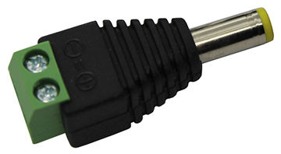 | 1 | Rp2,000 | Rp2,000 | Offline
12 | ROTARY LAMP / WARNING LIGHT LTE 1121 5" DC 12V | 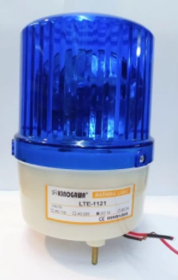 | 1 | Rp78,000 | Rp78,000 | https://www.tokopedia.com/kngw/rotary-lamp-warning-light-lte-1121-5-dc-12v-biru-biru?src=topads
13 | Control Box Kotak Switch Push Button | 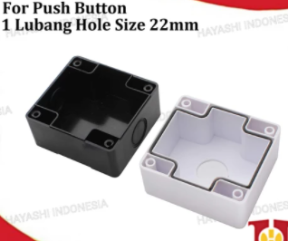 | 1 | Rp78,000 | Rp78,000 | https://www.tokopedia.com/hayashiindonesia/control-box-kotak-switch-push-button-1-2-3-4-lubang-22mm-putih-kuning-bx1-kuning-tanpa-bubble?whid=0
14 | Push Button IDEC flush 22mm | 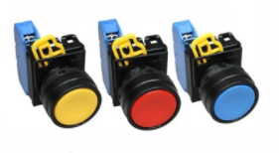 | 1 | Rp24,075 | Rp24,075 | https://www.tokopedia.com/leserpong/push-button-idec-flush-22mm-yw1b-m1e-biru-contact-no
15 | Cable | 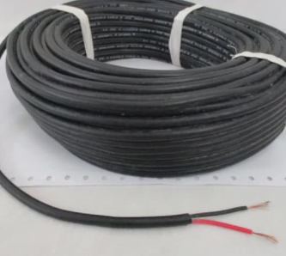 | 10 | Rp2,750 | Rp27,500 | https://www.tokopedia.com/mitragrosirjb/kabel-cargo-serabut-hitam-nyyhyo-2x0-75-mm2-tembaga-per-meter
Total |  |  |  |  | Rp598,625

